Important Factors
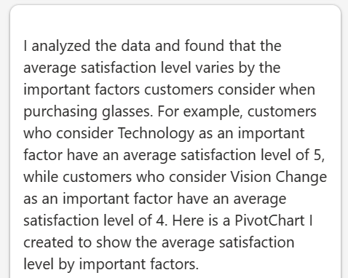
'Satisfaction' by 'Important Factors'
Important Factors | Average of Satisfaction
Technology | 5
Vision Change | 4
Damaged Glass | 3
Style | 3
Grand Total | 4

Average Age
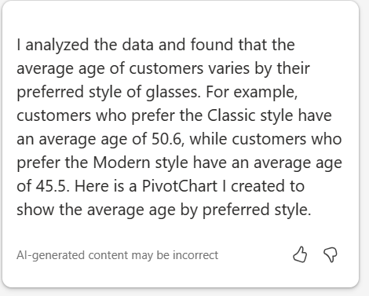
'Average Age' by 'Preferred Style'
Preferred Style | Average of Average Age
Classic | 50.6
Modern | 45.5
Vintage | 45.0
Sport-Comfort | 42.5
Eclectic | 25.0
Sport-Protective | 25.0
Grand Total | 43.5

